1.History& Evol of DecisionTree
»DECISION TREE (HISTORY & EVOLUTION) | REFERENCE

▣ INTRODUCTION OF DECISION TREE | ⇰REFERENCE (Website)-->Udemy Regarding Thereotical & Practical Implementation of History & Introduction of Decision Tree
∎While the use of basic decision trees for modeling choices and outcomes have been around for a very long time, statistical decision trees, that is the machine learning algorithm, are a more recent development.Now be careful to note the difference here ∎ General term Decision tree can refer to a flowchart mapping out outcomes, for example, probability outcomes such as the two possible outcomes of a coin flip probability of 50% for heads, probability of 50% for tails. This is actually not the sort of decision tree we are referring to.

∎Basically in Simple Words According to me Decision Tree mainly refer to Take Decision based on Tree Flow Chart Which formulate based on Splitting of Information extracted from Various Features from Dataset.



 | ⇰REFERENCE (Website)-->Geeks for Geeks Regarding Thereotical & Conceptual Understandng of Various Components of Decision Tree

▣Why it is Called Decision Tree ?

∎The decisions or the test are performed on the basis of features of the given dataset. ∎Basically in Simple Word It is a graphical representation for getting all the possible solutions to a problem/decision based on given conditions. ∎In order to build a tree, we use the CART algorithm, which stands for Classification and Regression Tree algorithm. ∎A decision tree simply asks a question, and based on the answer (Yes/No), it further split the tree into subtrees. | ⇰REFERENCE (Website)-->Java T Point Regarding Thereotical & Conceptual Understanding of Decision Tree

▣PIECE-WISE CONSTANT REGRESSION TREE

 | ⇰REFERENCE (Website)-->Udemy Regarding Thereotical & Practical Implementation of History & Introduction of Decision Tree

⇰So what was this piecewise constant regression tree ? ❶We're going to work through a very simple example of what this regression tree actually looked like.We can imagine that we have a single X feature for which we want to predict some sort of y output & here we have a blue set of data points which is going to act as our training data & we can imagine that realistically, maybe these points are following some sort of curve & we want to attempt to model this with a very simple decision tree.

❷piecewise constant regression tree operated for a very simple premise of setting a node that would then take your feature X and split the data depending on that particular feature.For example, we could ask the question for this set of data is x less than or equal to one (x<=1)? & we would check against this condition & based off whether it's true or false for that particular condition, at that node, we could have an output, we could actually have a predictive output like Y =1.5, which means if (X <=1) , we will predict the output as Y =1.5, which you can see we drew as a red line prediction output.Now we could also do is continue to separate the feature out even further.

❸So we could ask is X<=2 So that means we're now actually looking at values between one (1) and two (2) or between two (2) and three (3) in this particular case & we can have more nodes that also output some sort of predictive value.
 |  | ❺Search for Linear Splits

▣CART (CLASSIFICATION & REGRESSION TREE)

⇰Now, it should be noted during the 1970s, four professors, two from UC Berkeley and two from Stanford,started developing the classification and regression tree, otherwise known as cart based algorithms & this was really a series of rules to build really robust decision trees & while they're working on this in the 1970s, it's not until 1984 that they actually published their work & this is known as the CART book.So keep in mind, CART is not really a specific algorithm, but more of a set of rules and algorithms to construct robust decision trees, both for classification and regression. | ⇰REFERENCE (Website)-->Udemy Regarding Thereotical & Practical Implementation of History & Introduction of Decision Tree

 | ⇰REFERENCE (Website)-->Udemy Regarding Thereotical & Practical Implementation of History & Introduction of Decision Tree
⇰CART Introduces Many Concept
❶Cross Validation of Trees
❷Pruning Trees
❸Surrogate Splits
❹Variable Importance Scores

2.Terminology of Decision Tree
»TERMINOLOGY OF DECISION TREE |  | REFERENCE

▣To begin Understanding Decision Tree We first need to review some Terminology about Decision Tree components |  | ⇰REFERENE (Website)-->Udemy Regarding Thereotical & Conceptual Understanding & Various Terminology of Decision Tree | ⇰REFERENCE (Website)-->Section Regarding Thereotical & Practical Implementation Regarding Splitting Criterion --Entropy

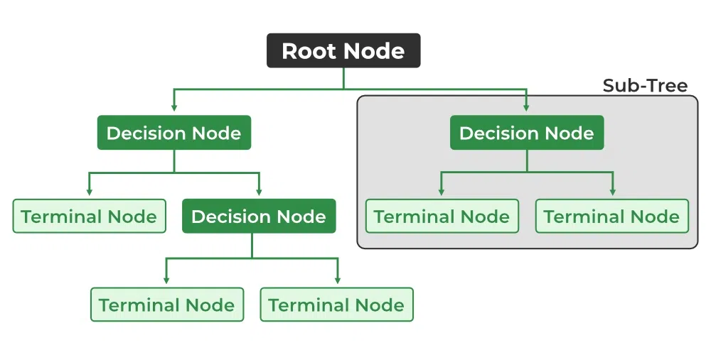

 |  | ⇰REFERENCE (Website)-->Geeks for Geeks Regarding Thereotical & Conceptual Understandng of Various Components of Decision Tree

▣Splitting
❶Splitting is really just referring to the act of taking in data at a node and then splitting it whether or not that condition is True or False & Then Create another split based on Information & conditionis TRUE Or False. ❷This algorithm compares the values of root attribute with the record (real dataset) attribute (Information) & based on the comparison, follows the branch and jumps to the next node.Basically in Simple Words Splitting is the process of dividing the decision node/root node into sub-nodes according to the given conditions. | 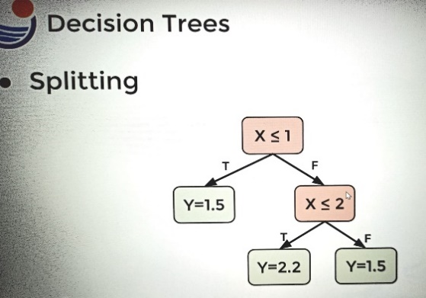 | ⇰REFERENCE (Website)-->Java T Point Regarding Thereotical & Conceptual Understanding of Various Components of Decision Tree | ⇰REFERENE (Website)-->Udemy Regarding Thereotical & Conceptual Understanding & Various Terminology of Decision Tree | ⇰REFERENCE (Website)-->Medium Regarding Thereotical & Conceptual Understanding of Decision Trees Explained — Entropy, Information Gain, Gini Index

 |  | ⇰REFERENCE (Website)-->Geeks for Geeks Regarding Thereotical & Conceptual Understandng of Various Components of Decision Tree
▣Pruning
❶Pruning main refer to the process of removing branches from the tree that do not provide any additional information or lead to overfitting. ❷Basically in Simple Words idea behind pruning is the fact that in theory,you could actually make the decision tree shorter.You'll notice that we have a node checking if X <=2, and that leads to two results. ∎If it's True, we output Y=2.2. ∎If it's False, we output the Y =1.5. ❸Basically in Theory prune these two leaf nodes off, which would then make this node some sort of leaf or terminal node.Now the idea behind pruning is to help avoid overfitting. ❹Pruning is the process of removing the unwanted branches from the tree.Basically in Simple words to remove unwanted Branches from Decision Tree so to avoid overfitting.So you can see that in theory you could have really granular nodes which could cause overfitting, in which case you would prune this back up to have a more biased machine learning algorithm with the decision tree. | 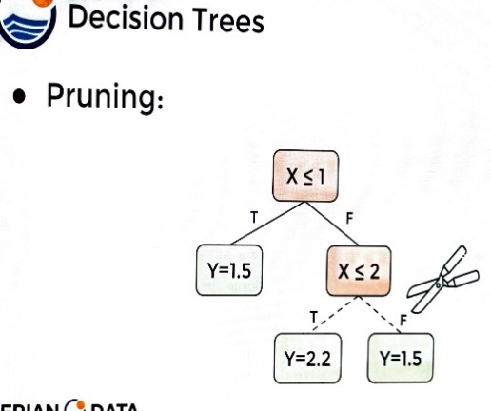

 |  | ⇰REFERENCE (Website)-->Java T Point Regarding Thereotical & Conceptual Understanding of Various Components of Decision Tree

 | 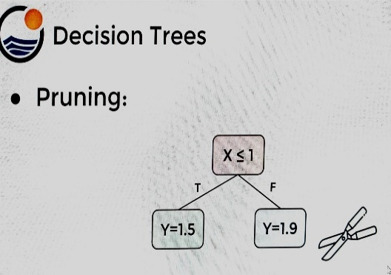

▣Nodes |  | ⇰REFERENE (Website)-->Udemy Regarding Thereotical & Conceptual Understanding & Various Terminology of Decision Tree
❶In a Decision tree, there are two nodes, which are the Decision Node and Leaf Node. Decision nodes are used to make any decision and have multiple branches, whereas Leaf nodes are the output of those decisions and do not contain any further branches. ❷Theoretically, everything you see here as far as where the condition is actually being tested is a node.So data is entering a node, it's being checked against the condition and then split into another node.Now there are specific types of nodes ∴ | 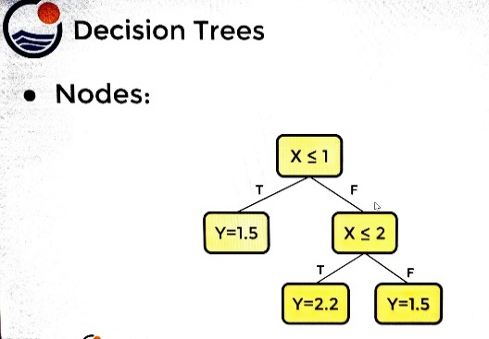

 |  | ⇰REFERENCE (Website)-->Java T Point Regarding Thereotical & Conceptual Understanding of Various Components of Decision Tree

▣DECISION / ROOT NODES | 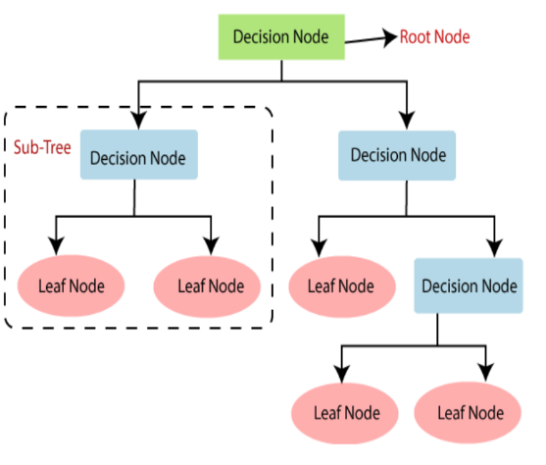
▣LEAF / TERMINAL NODES
▣TREE BRANCHES / SUBTREE
▣PARENT / CHILDREN NODES
①DECISION / ROOT NODES
∎It is the Topmost node in the tree, which represents the complete dataset. It is the starting point of the decision-making process. |  | ⇰REFERENCE (Website)-->Java T Point Regarding Thereotical & Conceptual Understanding of Various Components of Decision Tree | ⇰REFERENCE (Website)-->Geeks for Geeks Regarding Thereotical & Conceptual Understandng of Various Components of Decision Tree

∎In Simple Words Root node is from where the decision tree starts. It represents the entire dataset, which further gets divided into two or more homogeneous sets.

②LEAF / TERMINAL NODES | 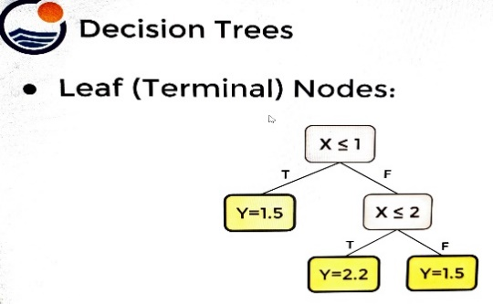
∎Leaf /Terminal nodes are the final output node, and the tree cannot be segregated further after getting a leaf/Terminal node.

 |  | ⇰REFERENCE (Website)-->Geeks for Geeks Regarding Thereotical & Conceptual Understandng of Various Components of Decision Tree | ⇰REFERENE (Website)-->Udemy Regarding Thereotical & Conceptual Understanding & Various Terminology of Decision Tree
∎Basically in Simple Words A node without any child nodes that indicates a class label or a numerical value is Leaf /Terminal Nodes .According to Udemy Terminal nodes or leaf nodes have no data going out of them.That is, the data is no longer split once you reach a terminal node, which essentially means that your decision of what the output should be occurs at a terminal node.

 | 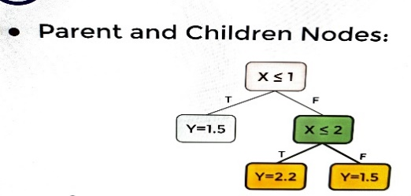

③PARENTS / CHILDREN NODES
∎Here According to Udemy we have a green parent node on top and then the resulting nodes after a split are the children nodes & we have another relationship here.So again, the green node at the top is a parent node & then after the split you have the children nodes.I should also mention that sometimes people refer to as sub trees or tree branches as part of an overall decision tree. ∎Parent Nodes :The nodes that divides into one or more child nodes. ∎Child Nodes: The nodes that emerge when a parent node is split. |  | ⇰REFERENCE (Website)-->Java T Point Regarding Thereotical & Conceptual Understanding of Various Components of Decision Tree | ⇰REFERENE (Website)-->Udemy Regarding Thereotical & Conceptual Understanding & Various Terminology of Decision Tree

 | 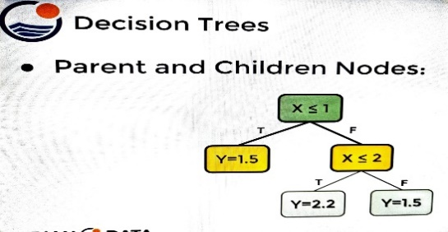

 | 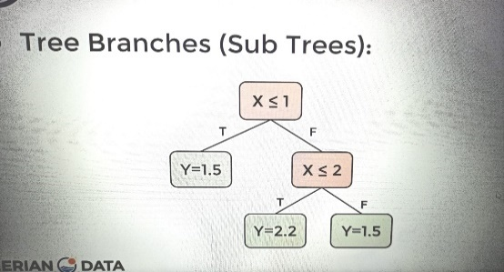
 |  | ⇰REFERENE (Website)-->Udemy Regarding Thereotical & Conceptual Understanding & Various Terminology of Decision Tree | ⇰REFERENCE (Website)-->Java T Point Regarding Thereotical & Conceptual Understanding of Various Components of Decision Tree | ⇰REFERENCE (Website)-->Geeks for Geeks Regarding Thereotical & Conceptual Understandng of Various Components of Decision Tree
④TREE BRANCHES / SUBTREE
∎A Tree formed by splitting the tree. ∎Basically in Simple Words Tree Branches is subsection of the Decision Tree starts at an internal node and ends at the leaf nodes.

▣PROPER VISUALIZATION OF DECISION TREE
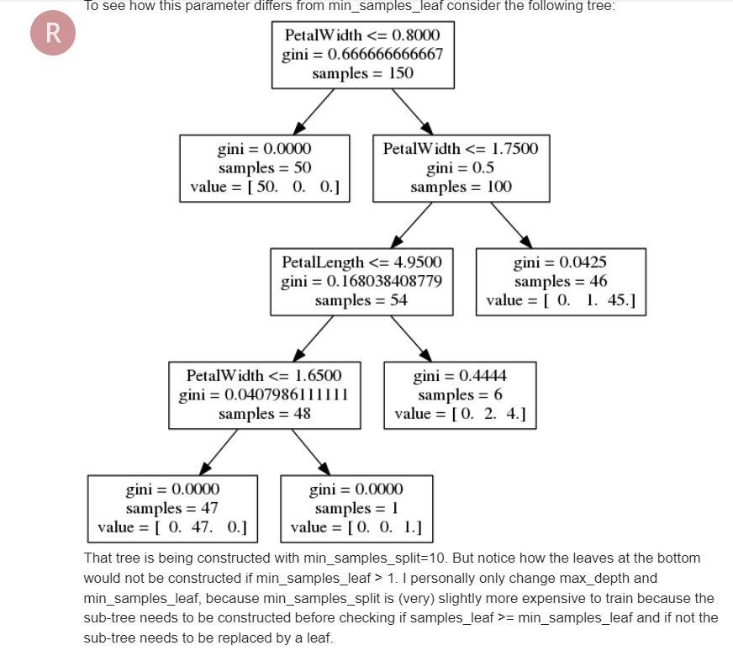 |  | ⇰REFERENCE (Website)-->Analytics Vidhya Regarding Thereotical & Practical Implementation of Decision Tree Creation & Diff Between min_samples_leaf & min_samples_split

⑤STUMP
∎A decision stump is a machine learning model consisting of a one-level decision tree.That is, it is a decision tree with one internal node (the root) which is immediately connected to the terminal nodes (its leaves). A decision stump makes a prediction based on the value of just a single input feature. Sometimes they are also called 1-rules. ∎Decision Stump is a type of decision tree used in supervised learning. It is a one-level decision tree that acts as a base classifier in many ensemble methods. In Decision Stump, the decision is made based on a single feature, creating a simple binary decision rule. It is particularly useful for binary classification problems where only a few important features are available. | 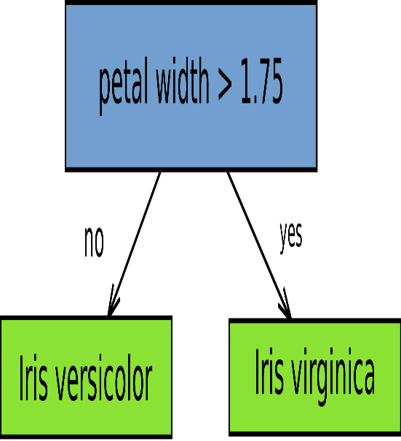 | ⇰REFERENCE (Website)-->Wikipedia Regarding Conceptual Understanding of Terminology of Decision Tree 's (Stump)

 |  | ⇰REFERENCE (Website)-->SerpAI Regarding Conceptual Understanding of Decision Tree's Terminology⇒Stump

3.Decision Tree
 | DECISION TREE | REFERENCE

 | ∎DEFINITION & MEANING OF DECISION TREE (ACCORDING TO UDEMY) | ⇰REFERENCE (Website)-->Udemy Regarding Thereotical & Practical Implementation of Definition of Decision Tree & It's Incorporation ot Other Tree Based Methods |  | ⇰REFERENCE (Website)-->Medium Regarding Thereotical & Conceptual Understanding of Decision Trees Explained — Entropy, Information Gain, Gini Index

 | ❶According to Udemy --> Decision Tree Learning refers to the stastical modeling that uses a form of decision trees ,where node splits are decided based on information metric.

 | ❷Basically in Simple Words --> Fundamentally , Decision Trees & Other Tree based Methods rely on the ability to split data based on information from features.That's Why Ability to measure to define information will become very imperative & very important as we learn Mathematical Methods (1.Entropy & 2.Gini Coefficient) of how tree based methods are constructed.
 |  |  |  | ⇰REFERENCE (Website)-->Section Regarding Thereotical & Practical Implementation Regarding Splitting Criterion --Entropy
 |  | ⇰REFERENCE (Website)-->Java T Point Regarding Thereotical & Conceptual Understanding of Various Components of Decision Tree

 | ❸Many of These Improvements of Basic Decision Trees were incorporated to other Tree based methods such as Random Forest & Gradient Boosting Methods.

 | ◅NOTE (POINTS TO NOTE)
 | ⇰The Concept of Boosting is not actually a Machine Learning Algorithm, It is Methodology applied to an existing machine learning algorithm most commonly applied to Decision Tree . | ⇰REFERENCE (Website)-->Udemy Regarding Conceptual Understanding of Ada Boosting Models & Boosting ⇒Meta Estimators
①metaestimator (Reference Udemy)⇒boosting is technically a meta learning algorithm that can be applied to really any machine learning algorithm, not just the decision trees, but we'll see why decision trees are such a well-suited algorithm for boosting.

 | ⇰However, it's most commonly applied to the Decision Tree because that's where it yields the best results & so often Boosting is actually referred to as Meta Learning instead of Machine Learning because really it's a process where you decide to insert any Machine Learning Algorithm.

 | ∎DEFINITION & MEANING OF DECISION TREE (ACCORDING TO SCIKIT LEARN)
①metaestimator (REFERENCE) =>(Girenz GitHub)⇒A meta-estimator in the context of machine learning refers to a specialized algorithm or method that is used to enhance the predictive performance of a model by combining or aggregating the predictions of multiple base estimators or models.
 |  | ⇰REFERENCE (Website)-->Geeks for Geeks Regarding Thereotical & Conceptual Understanding of Decision Trees & Flow Chart for Decision Trees |  | ⇰REFERENCE (Website)-->Medium Regarding Thereotical & Conceptual Understanding of Decision Trees Explained — Entropy, Information Gain, Gini Index
 | ▣According to Scikit Learn Decision Trees (DTs) are a non-parametric supervised learning method used for classification and regression. The goal is to create a model that predicts the value of a target variable by learning simple decision rules inferred from the data features.Non-parametric method means that there are no underlying assumptions about the distribution of the errors or the data. It basically means that the model is constructed based on the observed data.

 | ∎(REFERENCE ATTACHED) A Tree can be seen as a Piece-Wise constant approximation Regression Tree

 | 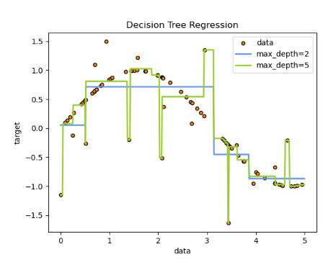 | ⇰REFERENCE (Website)-->Scikit learn Regarding Thereotical & Conceptual Implementation of Scikit Learn Decision Trees

 | ∎DEFINITION & MEANING OF DECISION TREE (ACCORDING TO SCIKIT LEARN, IBM ,Java T Point)

 | ⇰According to IBM-->A decision tree is a non-parametric supervised learning algorithm, which is utilized for both classification and regression tasks. It has a hierarchical, tree structure, which consists of a root node, branches, internal nodes and leaf nodes.Non-parametric method means that there are no underlying assumptions about the distribution of the errors or the data. It basically means that the model is constructed based on the observed data. | ⇰REFERENCE (Website)-->IBM Regarding Thereotical & Conceptual Understanding of Decision Tree (IBM)

 | ⇰According to Geeks for Geeks -->A decision tree is a flowchart-like tree structure where each internal node denotes the feature, branches denote the rules and the leaf nodes denote the result of the algorithm. It is a versatile supervised machine-learning algorithm, which is used for both classification and regression problems. It is one of the very powerful algorithms. And it is also used in Random Forest to train on different subsets of training data, which makes random forest one of the most powerful algorithms in machine learning.

 |  | ⇰REFERENCE (Website)-->Java T Point Regarding Thereotical & Conceptual Understanding of Decision Trees (Classification & Regression)
 | ⇰According to Java T Point -->Decision Tree is a Supervised learning technique that can be used for both classification and Regression problems, but mostly it is preferred for solving Classification problems. It is a tree-structured classifier, where internal nodes represent the features of a dataset, branches represent the decision rules and each leaf node represents the outcome.

 | 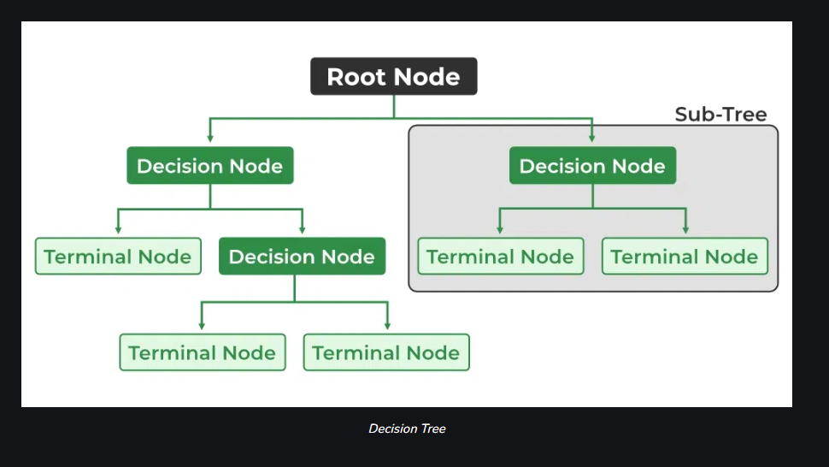 | ⇰REFERENCE (Website)-->Geeks for Geeks Regarding Thereotical & Conceptual Understanding of Decision Trees & Flow Chart for Decision Trees

 | ∎How does the Decision Tree algorithm Work?

 | ⇰In a decision tree, for predicting the class of the given dataset, the algorithm starts from the root node of the tree. This algorithm compares the values of root attribute with the record (real dataset) attribute and, based on the comparison, follows the branch and jumps to the next node. ⇰For the next node, the algorithm again compares the attribute value with the other sub-nodes and move further. It continues the process until it reaches the leaf node of the tree. The complete process can be better understood using the below algorithm: | ⇰REFERENCE (Website)-->Geeks for Geeks Regarding Thereotical & Conceptual Understanding of Decision Trees & Flow Chart for Decision Trees

 | ▣Procedure for Decision Tree Construction | ⇰REFERENCE (Website)-->Java T Point Regarding Thereotical & Conceptual Understanding of Decision Trees (Classification & Regression)
 | ⇰STEP 1∴Begin the tree with the root node, says S, which contains the complete dataset.

 | ⇰STEP 2 ∴Find the best attribute in the dataset using Attribute Selection Measure (ASM)=>(1. Gini Coefficient & 2. Entropy )

 | ⇰STEP 3 ∴Divide the S into subsets that contains possible values for the best attributes.
 |  | ⇰REFERENCE (Website)-->Section Regarding Thereotical & Practical Implementation Regarding Splitting Criterion --Entropy
 | ⇰STEP 4 ∴Generate the decision tree node, which contains the best attribute.
 | ⇰STEP 5 ∴ Recursively make new decision trees using the subsets of the dataset created in step 3 Continue this process until a stage is reached where you cannot further classify the nodes and called the final node as a leaf node.

 | 1.Understanding Decision Tree Algorithm with Example
 | ⇰Example: Suppose there is a candidate who has a job offer and wants to decide whether he should accept the offer or Not. So, to solve this problem, the decision tree starts with the root node (Salary attribute by ASM). The root node splits further into the next decision node (distance from the office) and one leaf node based on the corresponding labels. The next decision node further gets split into one decision node (Cab facility) and one leaf node. Finally, the decision node splits into two leaf nodes (Accepted offers and Declined offer). Consider the below diagram:
 |  | ⇰REFERENCE (Website)-->Udemy Regarding Thereotical & Practical Implementation of Definition of Decision Tree & It's Incorporation ot Other Tree Based Methods

 | 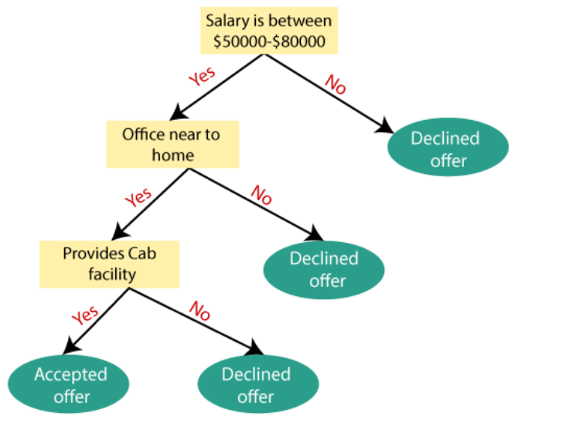

 | ∎Why use Decision Trees?

 | ⇰There are various algorithms in Machine learning, so choosing the best algorithm for the given dataset and problem is the main point to remember while creating a machine learning model. Below are the two reasons for using the Decision tree: ❶Decision Trees usually mimic human thinking ability while making a decision, so it is easy to understand. ❷The logic behind the decision tree can be easily understood because it shows a tree-like structure. | ⇰REFERENCE (Website)-->Java T Point Regarding Thereotical & Conceptual Understanding of Decision Trees (Classification & Regression)

 | ∎Why is a decision tree important in machine learning?

 | ⇰Decision trees in machine learning provide an effective method for making decisions because they lay out the problem and all the possible outcomes. It enables developers to analyze the possible consequences of a decision, and as an algorithm accesses more data, it can predict outcomes for future data. ⇰In machine learning, decision trees offer simplicity and a visual representation of the possibilities when formulating outcomes. ⇰In this simple decision tree, the question of whether or not to go to the supermarket to buy toilet paper is analyzed: | ⇰REFERENCE (Website)-->Coursera Regarding Thereotical & Conceptual Understanding & It's Imperativenes of Decision Tree

 | 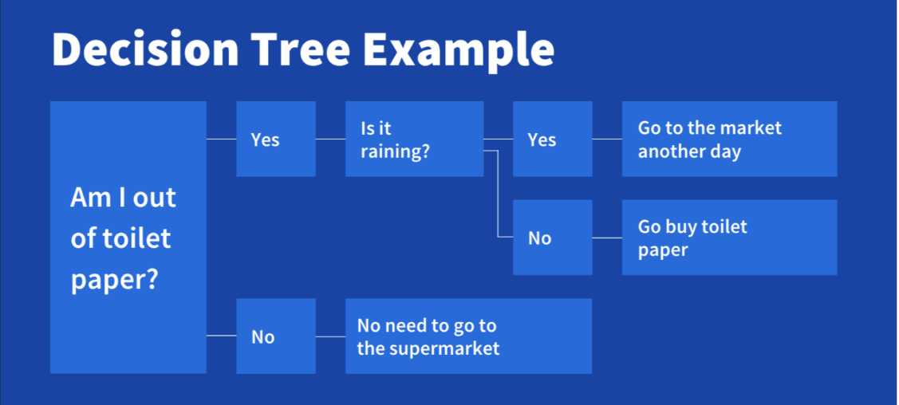

 | ▣PROPER VISUALIZATION OF DECISION TREE
 |  |  | ⇰REFERENCE (Website)-->Analytics Vidhya Regarding Thereotical & Practical Implementation of Decision Tree Creation & Diff Between min_samples_leaf & min_samples_split

 | ▣DISADVANTAGES OF DECISION TREE

 | ⇰Now, Decision trees themselves are prone to overfitting, and we already know that there's many developments that expand off a decision tree model, such as Random Forest or a Gradient boosted Tree to help expand the decision tree model, as well as fix some of its potential flaws & that's really where we want to head towards the more advanced tree based methods that are built off the decision tree. ⇰You don't see a Single Decision Tree used that often due to the fact that there are now better and more robust methods like Random forest and Gradient boosted tree & Extra Gradient Boosting Tree especially for more realistic data sets That we are Gonna Discuss in Future. |  | ⇰REFERENCE (Website)-->Udemy Regarding Thereotical & Conceptual Understanding of Various Disadvantages of Decision Tree

